Sheet1
Quarter Domed Convex Observation Mirror

Description
An equipment used to monitor patients movements
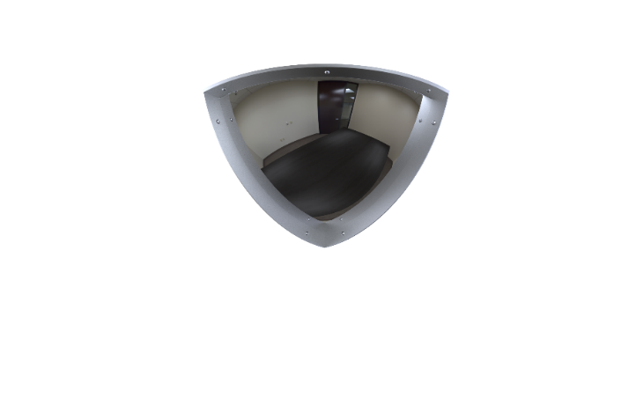
Specification
Tamperproof and durable quarter dome observation mirror, mounted in the corner of rooms for safety and security.
Virtually indestructible and unbreakable, mirror quality polycarbonate face.
Pure reflective coating.
Powder coated steel frame for enhanced long life and appearance.
Mounted with Stainless Steel Tamperproof Torx Head screws.
Distortion free reflective coating for excellent viewing quality.
Recessed, tamper proof fixings increases security and reduces ligature risk.
The Frame must have Counter-bore holes designed to take security head fasteners.
Upon installation, the mirror shall be sealed to the wall with a tamper and pick resistant silicone based sealant.
Foam Insert to fill cavity and enhance strength.

Dimensions
Mirror Size 450mm x 450mm

