Sheet1
Ligature Resistant Coat / Towel Hook

Description
Used to hang towel and coats for easy storage
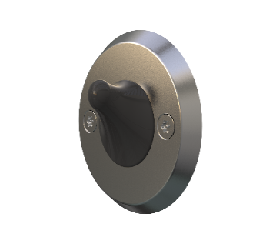
Specification
Suicide resistant design.
Fixed in place with two Stainless Steel Torx Head Countersunk security screws.
Ligature resistant coat hook that is able to carry the weight of approx. 6kg before releasing the load.
The surface should be easy to clean and maintain while not affecting colour and finish.
Durable, long lasting with low maintenance and replacement costs.
No sharp edges, points or protruding parts that could potentially cause harm.
Made from a low shore rating rubber with a high silicone content and mounted in a Stainless Steel Housing unit.
Dimensions
65mm in diameter
Stainless Steel - 8mm thick

