Sheet1
VALPAR 7

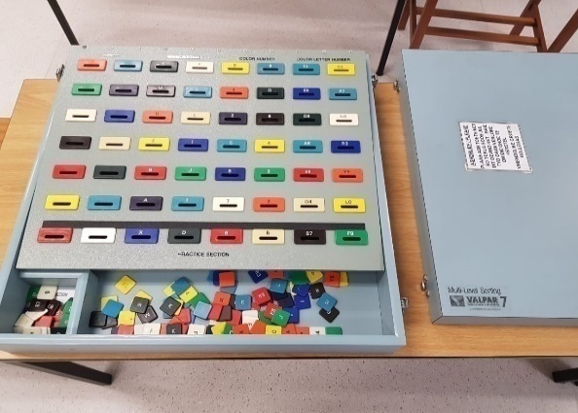
Description
A standardized assessment tool that assesses the ability to make rapid sorting decisions involving several levels of visual discrimination of colour, numbers, letters, and combinations of these.

Specification
Disinfected box, with a separate lid, composed of particle board and covered with blue plastic laminate
The top work surface is an inclined, hinged, board with eight columns and several rows of variously labelled slots
The bottom row of slots is the practice section. Beneath the hinged work surface there is a separate compartment subdivided into smaller compartments which correspond to each of the slots on the work surface
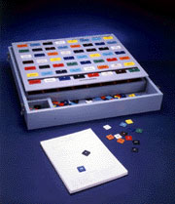
This section is also hinged so that it may be lifted to facilitate the recycling of the chips
the front of the box is a tray for chip storage
comes with a manual and a pad of 100 Photocopiable scoring sheets.
144 MIX colour plastic chips
Each chip is identified in one of the following ways:
colour and letter
colour and number
colour
letter
number
Accessories
comes with a manual and a pad of 100 Photocopiable scoring sheets.
144 MIX colour plastic chips

