Sheet1
VALPAR 6

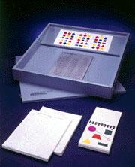
Description
A standard Independent problem solving tool that assess ability to pay attention to detail and to compare discern differences among variously coloured geometric designs

Specification
The work sample box size 23 1/2" x 23 1/2" x 3"
The sample box must be made of particle board and covered with blue, plastic laminate
Must have a removable cover for protection during shipping and storage
A mounted, hinged, scoring board is centred in the front of the box
A master card with three designs is centred in the upper part of the box
It must included a bound set of 55 testing cards
A scoring stylus
A pad of 100 answer sheets(Is it a pad or pack?)
A pad of 100 scoring sheets, and a manual

Accessories
Testing Cards

