Sheet1
Therapists' Portable Assessment Lab

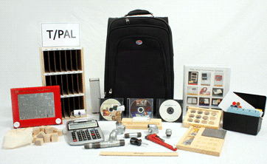
Description
A portable asssessment kit used for assessing vocational abilities in mental and physical set up

Specification
T/PAL contains 12 work modules designed to assess cognitive and psychomotor abilities
All modules are contained in a compact, sturdy wooden case that is mounted on wheels
Latest software products must be included, as well as an Auditory Directions Screening exercise

Must include 12 Work Modules as follows:(Must also be priced individually for single purchases)
Mail Sort - Sort 100 preaddressed post cards (yellow cards) by zip code and file in a 21 slot mail box with zip codes attached.
Alphabetizing - Sort 50 index white cards by name and file in a standard 3x5 black card box with blue alphabet index tabs.
Visual Maze - Use an Etch-a-Sketch to draw a line through a special maze overlay..
Payroll Computation - Use an electronic calculator to calculate simple payroll information and record it on a summary sheet.
Patient Info Memo - Read several short biographies and transfer pertinent facts to patient information sheets.
Small Parts A - Use tweezers to make simple assemblies from washers and brads.
Small Parts B - Use fingers and a small screw driver to drive screws into a metal plate.
Ruler Reading - Use a standard ruler and a work sheet.
Pipe Assembly - Use a small pipe wrench and a screw driver to make an eleven item pipe assembly from a diagram.
O-Rings - Sort 50 O-rings by size into compartments in a tray. There are 12 sizes, each with three to five O-rings.
Block Design - Use 20 blocks to reproduce a design from a diagram.
Color Sort - Separate 50 multi-colored cards (same cards from alphabetizing).

A wooden box with a latch and four wheels (two of the wheels should have brakes)
Compact sturdy Wooden trolley with 4 wheels and two with brakes
Scorepads -A minimum of 100 Photocopiable scoring sheets (with a permission to print)
Manuals
Auditory Directions Screening Exercise
Career Assessment Battery Survey
Learning Styles Inventory Survey

Optional Accessories
household in a compact, light-weight, soft-sided case making it easy to move from office to bedside.

