Sheet1
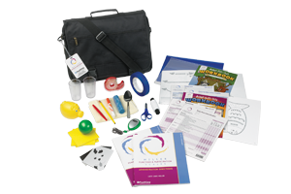
Miller Functional and Participation Scales
A standardised tool designed to assess young children’s performance abilities as well as participation in their daily life within their school and home environment

Description
A standardised assessment to determine a child functional perfomance related to school participation

Specification
Complete kit with manipulatives:
Includes Administration Directions Manual,
25 Record Forms for ages 2:6-3:11, (Photocopiable)
25 Record Forms for ages 4:0-7:11,
25 Workbooks for ages 2:6-3:11,
25 Workbooks for ages 4:0-7:11,
25 Home Observation Checklists,
25 Classroom Observation Checklists, and
Manipulatives
A sturdy carry box that is easy to clean and sterilise and must be able to contain all assessment items

