Sheet1
COTNAB

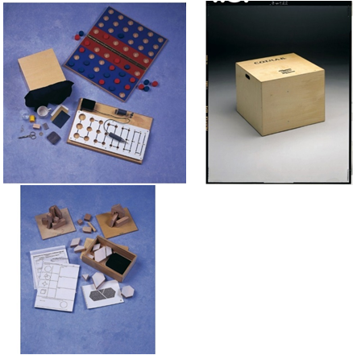
Description
A standardised assessment tool (fully validated battery of test)for functional and perceptual dsyfunctional with neurological patients aged 16 upwards

Specification
The C.O.T.N.A.B. Battery includes:
Introductory Manual including case studies
Two A4 Ring Binders containing all therapist instructions, background, test details and standardised scoring tables
Printed test materials
Wooden/Metal/Fabric test materials
Score Forms and Functional Profiles
Treatment Resource File C.O.T.N.A.B. is housed in a practical sturdy wooden box with castors for easy storage and transport
Each test is scored for Ability and Time which are combined to give a measure of Overall Performance and a Functional Profile summary.
Overall dimension: 650 x 650 x 500mm
Weight: (approx 50 kg)

It must tests the four functional areas mentioned below, with each including 3 tests of increasing sensitivity which equals to 12 tests in total
Functional area 1:Sensory-Motor Ability
Stereognosis & Tactile Discrimination
Dexterity
Co-ordination
Functional area 2:Ability to follow Instructions
Written instructions
Visual instructions
Spoken
Functional area 3:Constructional Ability
2D construction
3D construction
Block printing
Functional area 4:Visual Perception
Overlapping figures
Hidden figures
Sequencing

Accessories (Individual Pricing)
Scorepads -A minimum of 100 Photocopiable scoring sheets (with a permission to print)
Introductory Manual including case studies
Two A4 Ring Binders containing all therapist instructions, background, test details and standardised scoring tables
Printed test materials
Wooden/Metal/Fabric test materials
Score Forms and Functional Profiles
Treatment Resource File C.O.T.N.A.B. is housed in a practical sturdy wooden box with castors for easy storage and transport

