Sheet1
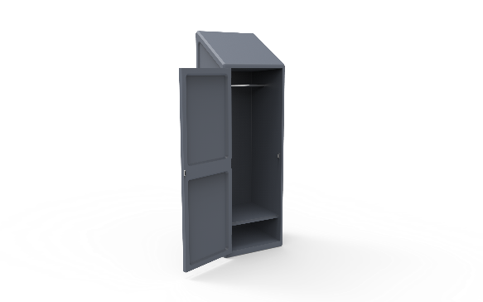
Ward Based Wardrobe
Description
Furniture that can be securely anchored to the floor or wall, with no ligature points and no gaps in the construction allowing concealment of contraband or weapons.
Specification
The surface should be easy to clean and maintain while not affecting colour and finish.
Durable, long lasting with low maintenance and replacement costs.
Rounded or domed corners and edges for safety and security of patients as well as care givers.
No sharp edges, points or protruding parts that could potentially cause harm.
The wardrobe should be made from a seamless one piece construction, that is impervious to fluid and completely waterproof.
The wardrobe should be impact resistant and durable and shall be filled with a rigid structural polyurethane foam for increased strength and sound absorption.
The product offered shall be chemically resistant to blood, vinegar, urine, faeces, salt solution and chlorine.
The product offered shall be flame retardant and meet the local standard of flame retardancy. The product must meet at least a V0 rating and test certificate must be supplied with bid.
The wardrobe shall have the ability to be bolted to the floor and wall with a maximum of 4 stainless steel tamper resistant Torx head screws.
Upon installation, the wardrobe shall be sealed to the floor with a tamper and pick resistant silicone based sealant, to prevent fluid leaking beneath the wardrobe.
The wardrobe should comprise of a 2 tier construction, With the larger tier for clothing and the smaller bottom tier to be used for personal belongings and shoes.
The product should be UV Stabilised to reduce any fading or discolouration.
The door should be securely fastened via Stainless steel rivets to a full length safety piano hinge that is long lasting, strong and durable.
Non removable magnetic door catch to be built into the construction. Reducing the chance of tampering or damaging the wardrobe
The product should be a smooth or textured finish, that is free from pin holes or cavities in which dirt or bacteria is able to build up.
Ligature resistant coat rail mounted to the inside, that reduces suicide risk.
Dimensions
The wardrobe shall be approximately
600 - 700 mm in Width
1800mm - 1900mm in Height
500mm - 600mm in Depth

