Sheet1
Recreational Table With Moulded Base
Description
Table used by mental health patients for recreational purposes

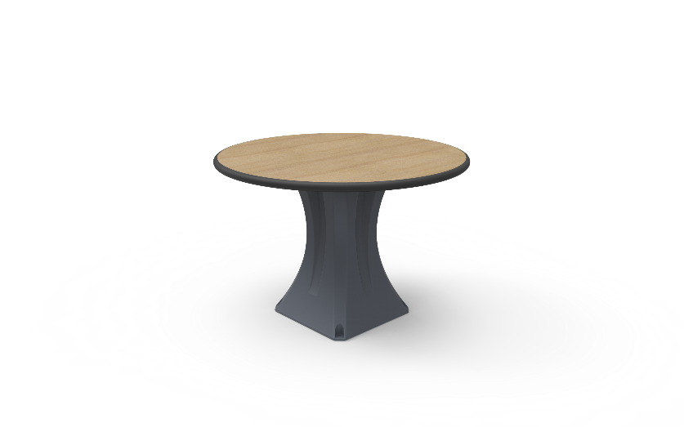
Specification
Table Top
The surface should be easy to clean and maintain while not affecting colour and finish.
Durable, long lasting with low maintenance and replacement costs.
No sharp edges, points or protruding parts that could potentially cause harm.
Edges shall be radiused for safety and pressure fused to the top, rendering it permeant and non removable.
The table should be made from a heavy duty 32mm decorative high pressure laminate sealed with a specially formulated injection moulded bumper.
The table should be impact resistant and durable and long lasting. Manufactured to be comfortable and ergonomic.
Table base should be mounted to the Table top Via 4 - 6 x M8 stainless steel tamperproof Torx Head screws, that mount into T Nuts that are bonded to the table top.
Table top must be made of Polythere plastic
The institution shall have a choice of decretive finishes to suite their environments.
Table Base
Table base that has the ability to be filled with sand to increase the total weight, reducing the chance of movement and damage.
The surface should be easy to clean and maintain while not affecting colour and finish.
Durable, long lasting with low maintenance and replacement costsl
Rounded or domed corners and edges for safety and security of patients as well as care givers.
No sharp edges, points or protruding parts that could potentially cause harm.
The table base should be made from a seamless one piece construction, that is impervious to fluid and completely waterproof.
The table base should be impact resistant and durable and long lasting. Manufactured to be comfortable and ergonomic.
The product offered shall be chemically resistant to blood, vinegar, urine, faeces, salt solution and chlorine.
The product offered shall be flame retardant and meet the local standard of flame retardancy. The product must meet at least a V0 rating and test certificate must be supplied with bid.
The table shall have the option of 4 self lubricating foot slides to reduce damage of the product and the floor by reducing friction.
Upon installation, the institution has the choice of having the table bolted to the floor via tamperproof stainless steel anchors or filled with sand to increase the weight..
The product should be UV Stabilised to reduce any fading or discolouration.
The product should be a smooth or textured finish, that is free from pin holes or cavities in which dirt or bacteria is able to build up.
Dimensions
Table Top
Table Top: 1200mm x 750mm x 32mm
Table Height to floor :700mm - 850mm
Stool Height to floor: 500mm - 600mm
Built to accommodate 6 people

