Sheet1
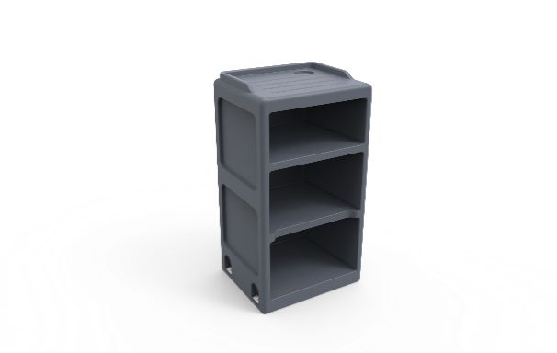
Psychiatric Open Bedside Cabinet
Description
A equipment used to store patients minor belongings
Specification

Furniture that can be securely anchored to the floor or wall, with no ligature points and no gaps in the construction allowing concealment of contraband or weapons.
The surface should be easy to clean and maintain while not affecting colour and finish.
Durable, long lasting with low maintenance and replacement costs.
Rounded or domed corners and edges for safety and security of patients as well as care givers.
No sharp edges, points or protruding parts that could potentially cause harm.
The cabinet should be made from a seamless one piece construction, that is impervious to fluid and completely waterproof.
The cabinet should be impact resistant and durable and shall be filled with a rigid structural polyurethane foam for increased strength an sound absorption.
The product offered shall be chemically resistant to blood, vinegar, urine, faeces, salt solution and chlorine.
The product offered shall be flame retardant and meet the local standard of flame retardancy. The product must meet at least a V0 rating and test certificate must be supplied with bid.
The cabinet shall have the ability to be bolted to the floor with a maximum of 4 stainless steel tamper resististant Torx head screws.
Upon installation, the cabinet shall be sealed to the floor with a tamper and pick resistant silicone based sealant, to prevent fluid leaking beneath the bed.
The bedside caninet should comprise of a 3 Tier construction, with build in cupholder and fluid retainer on the top surface.
The product should be UV Stabilised to reduce any fading or discolouration.
The product should be a smooth or textured finish, that is free from pin holes or cavities in which dirt or bacteria is able to build up.
Dimensions
The cabinet shall be approximately
450mm - 480mm in Width
875mm - 900mm in Height
400mm - 500mm in Depth

B. Psychiatric lockable Bediside Cabinet
Furniture that can be securely anchored to the floor or wall, with no ligature points and no gaps in the construction allowing concealment of contraband or weapons.
The surface should be easy to clean and maintain while not affecting colour and finish.
Durable, long lasting with low maintenance and replacement costs.
Rounded or domed corners and edges for safety and security of patients as well as care givers.
No sharp edges, points or protruding parts that could potentially cause harm.
The cabinet should be made from a seamless one piece construction, that is impervious to fluid and completely waterproof.
The cabinet should be impact resistant and durable and shall be filled with a rigid structural polyurethane foam for increased strength an sound absorption.
The product offered shall be chemically resistant to blood, vinegar, urine, faeces, salt solution and chlorine.
The product offered shall be flame retardant and meet the local standard of flame retardancy. The product must meet at least a V0 rating and test certificate must be supplied with bid.
The cabinet shall have the ability to be bolted to the floor with a maximum of 4 stainless steel tamper resististant Torx head screws.
Upon installation, the cabinet shall be sealed to the floor with a tamper and pick resistant silicone based sealant, to prevent fluid leaking beneath the bed.
The bedside caninet should comprise of a 3 Tier construction, with build in cupholder and fluid retainer on the top surface.
The product should be UV Stabilised to reduce any fading or discolouration.
The product should be a smooth or textured finish, that is free from pin holes or cavities in which dirt or bacteria is able to build up.
The cupboard must have a locking mechanism
Dimensions
The cabinet shall be approximately
450mm - 480mm in Width
875mm - 900mm in Height
400mm - 500mm in Depth

