Sheet1
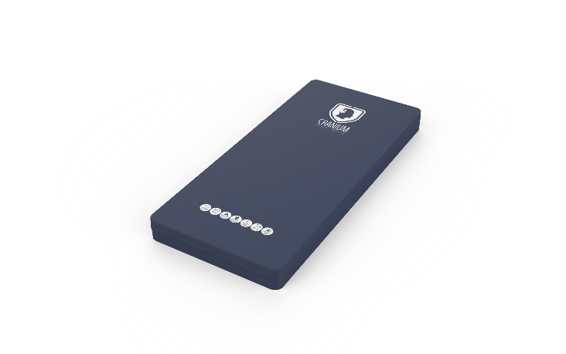
Psychiatric Mattress
Description
Rectangular quipment pad used for supporting the body when sleeping

Specification
The mattress offered shall be specifically designed to fit the bed offered and shall be made to suite the behavioural healthcare environment.
The surface should be easy to clean and maintain while not affecting colour and finish.
Durable, long lasting with low maintenance and replacement costs.
The mattress offered shall have a flame retardant conversional foam core made from a 30 density foam. Flame retardancy certification to be supplied with bid.
The double sided Polyurethane 330gsm cover must be fully sealed with frequency welded seams to prevent any ingress of fluid.
The mattress cover must be a fully sealed construction, with no mechancial zip or zip chain.
The mattress offered shall have a laminated fire retardent barrier that is fluid repellent,anti fungal, crack resistant,stain resistant,anti static and breathable.
Dimensions
The mattress shall be approximately:
1900mm - 2000mm in length
900mm - 1000mm in width
150mm in thickness

