Adult Floor Mounted Bed
Adult Floor Mounted Psychiatric Bed
Description
Furniture that can be securely anchored to the floor or wall, with no ligature points and no gaps in the construction allowing concealment of contraband or weapons for mental health patients.

Specification
The bed must be offered with a mattress that specifically fit the bed
The surface should be easy to clean and maintain while not affecting colour and finish.
Durable, long lasting with low maintenance and replacement costs.
Rounded or domed corners and edges for safety and security of patientsas well as care givers.
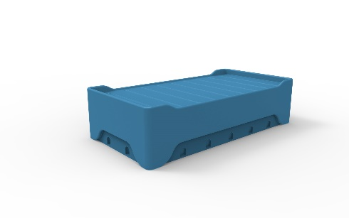
No sharp edges, points or protruding parts that could potentially cause harm.
The bed should be made from a seamless one piece construction, that is impervious to fluid and completely waterproof.
The bed should be impact resistant and durable and shall be filled with a rigid structural polyurethane foam for increased strength an sound absorption.
The product offered shall be chemically resistant to blood, vinegar, urine, faeces, salt solution and chlorine.
The product offered shall be flame retardant and meet the local standard of flame retardancy. The product must meet at least a V0 rating and test certificate must be supplied with bid.
The bed shall have the ability to be bolted to the floor with a maximum of 12 stainless steel tamper resististant Torx head screws.
Upon installation, the bed shall be sealed to the floor with a tamper and pick resistant silicone based sealant, to prevent fluid leaking beneath the bed.
Restraining rings can be mounted to the bed base where the anchors are set into the floor, the restraint rings shall accommodate most sizes of restraints and shall be made of a polished 5mm thick stainless steel, with no sharp corners or edges.
The mattress platform shall have a built in mattress retainer to stop shifting and movement of the mattress.
The product should be UV Stabilised to reduce any fading or discolouration.
The product should be a smooth or textured finish, that is free from pin holes or cavities in which dirt or bacteria is able to build up.
Dimensions
The bed shall be approximately
1980mm - 2000mm in Length
900mm - 1000mm in Width
450mm - 500mm in Height.

Bedside Locker
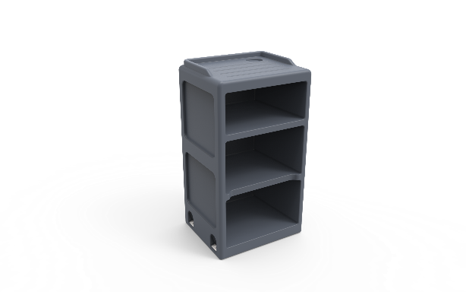
Psychiatric Open Bediside Cabinet
Description
A equipment used to store patients minor belongings
Specification

Furniture that can be securely anchored to the floor or wall, with no ligature points and no gaps in the construction allowing concealment of contraband or weapons.
The surface should be easy to clean and maintain while not affecting colour and finish.
Durable, long lasting with low maintenance and replacement costs.
Rounded or domed corners and edges for safety and security of patients as well as care givers.
No sharp edges, points or protruding parts that could potentially cause harm.
The cabinet should be made from a seamless one piece construction, that is impervious to fluid and completely waterproof.
The cabinet should be impact resistant and durable and shall be filled with a rigid structural polyurethane foam for increased strength an sound absorption.
The product offered shall be chemically resistant to blood, vinegar, urine, faeces, salt solution and chlorine.
The product offered shall be flame retardant and meet the local standard of flame retardancy. The product must meet at least a V0 rating and test certificate must be supplied with bid.
The cabinet shall have the ability to be bolted to the floor with a maximum of 4 stainless steel tamper resististant Torx head screws.
Upon installation, the cabinet shall be sealed to the floor with a tamper and pick resistant silicone based sealant, to prevent fluid leaking beneath the bed.
The bedside caninet should comprise of a 3 Tier construction, with build in cupholder and fluid retainer on the top surface.
The product should be UV Stabilised to reduce any fading or discolouration.
The product should be a smooth or textured finish, that is free from pin holes or cavities in which dirt or bacteria is able to build up.
Dimensions
The cabinet shall be approximately
450mm - 480mm in Width
875mm - 900mm in Height
400mm - 500mm in Depth

B. Psychiatric lockable Bediside Cabinet
Furniture that can be securely anchored to the floor or wall, with no ligature points and no gaps in the construction allowing concealment of contraband or weapons.
The surface should be easy to clean and maintain while not affecting colour and finish.
Durable, long lasting with low maintenance and replacement costs.
Rounded or domed corners and edges for safety and security of patients as well as care givers.
No sharp edges, points or protruding parts that could potentially cause harm.
The cabinet should be made from a seamless one piece construction, that is impervious to fluid and completely waterproof.
The cabinet should be impact resistant and durable and shall be filled with a rigid structural polyurethane foam for increased strength an sound absorption.
The product offered shall be chemically resistant to blood, vinegar, urine, faeces, salt solution and chlorine.
The product offered shall be flame retardant and meet the local standard of flame retardancy. The product must meet at least a V0 rating and test certificate must be supplied with bid.
The cabinet shall have the ability to be bolted to the floor with a maximum of 4 stainless steel tamper resististant Torx head screws.
Upon installation, the cabinet shall be sealed to the floor with a tamper and pick resistant silicone based sealant, to prevent fluid leaking beneath the bed.
The bedside caninet should comprise of a 3 Tier construction, with build in cupholder and fluid retainer on the top surface.
The product should be UV Stabilised to reduce any fading or discolouration.
The product should be a smooth or textured finish, that is free from pin holes or cavities in which dirt or bacteria is able to build up.
The cupboard must have a locking mechanism
Dimensions
The cabinet shall be approximately
450mm - 480mm in Width
875mm - 900mm in Height
400mm - 500mm in Depth

Wardrobe
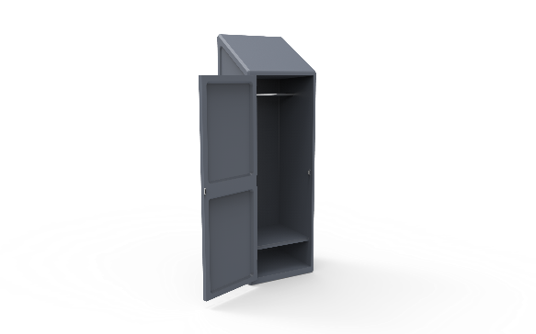
Ward base Wardrobe
Description
Furniture that can be securely anchored to the floor or wall, with no ligature points and no gaps in the construction allowing concealment of contraband or weapons.
Specification
The surface should be easy to clean and maintain while not affecting colour and finish.
Durable, long lasting with low maintenance and replacement costs.
Rounded or domed corners and edges for safety and security of patients as well as care givers.
No sharp edges, points or protruding parts that could potentially cause harm.
The wardrobe should be made from a seamless one piece construction, that is impervious to fluid and completely waterproof.
The wardrobe should be impact resistant and durable and shall be filled with a rigid structural polyurethane foam for increased strength and sound absorption.
The product offered shall be chemically resistant to blood, vinegar, urine, faeces, salt solution and chlorine.
The product offered shall be flame retardant and meet the local standard of flame retardancy. The product must meet at least a V0 rating and test certificate must be supplied with bid.
The wardrobe shall have the ability to be bolted to the floor and wall with a maximum of 4 stainless steel tamper resistant Torx head screws.
Upon installation, the wardrobe shall be sealed to the floor with a tamper and pick resistant silicone based sealant, to prevent fluid leaking beneath the wardrobe.
The wardrobe should comprise of a 2 tier construction, With the larger tier for clothing and the smaller bottom tier to be used for personal belongings and shoes.
The product should be UV Stabilised to reduce any fading or discolouration.
The door should be securely fastened via Stainless steel rivets to a full length safety piano hinge that is long lasting, strong and durable.
Non removable magnetic door catch to be built into the construction. Reducing the chance of tampering or damaging the wardrobe
The product should be a smooth or textured finish, that is free from pin holes or cavities in which dirt or bacteria is able to build up.
Ligature resistant coat rail mounted to the inside, that reduces suicide risk.
Dimensions
The wardrobe shall be approximately
600 - 700 mm in Width
1800mm - 1900mm in Height
500mm - 600mm in Depth

Dining Chair
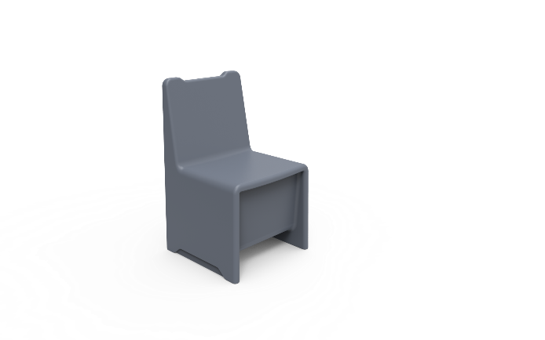
Dining Room Chair
Description
Furniture that has the ability to be filled with sand to increase the total weight, reducing the chance of movement and damage.
Specification
The Surface should be easy to clean and maintain while not affecting colour and finish.
Durable, long lasting with low maintenance and replacement costs.
Rounded or domed corners and edges for safety and security of patients as well as care givers.
No sharp edges, points or protruding parts that could potentially cause harm.
The chair should be made from a seamless one piece construction, that is impervious to fluid and completely waterproof.
The chair should be impact resistant and durable and long lasting. Manufactured to be comfortable and ergonomic.
The product offered shall be chemically resistant to blood, vinegar, urine, faeces, salt solution and chlorine.
The product offered shall be flame retardant and meet the local standard of flame retardancy. The product must meet at least a V0 rating and test certificate must be supplied with bid.
The chair shall have 4 self lubracting foot slides to reduce damage of the product and the floor by reducing friction.
Upon installation, the chair shall be filled with the desired weight to suite the institute and then sealed via a tamperproof bung and 4 tamperproof self tapping stainless steel screws.
The product should be UV Stabilised to reduce any fading or discolouration.
The product should be a smooth or textured finish, that is free from pin holes or cavities in which dirt or bacteria is able to build up.

Dimensions
The chair size shall be approximately :
400mm - 500 mm in Width
800mm - 900mm in Height
400mm - 500mm in Depth

Resting Chair
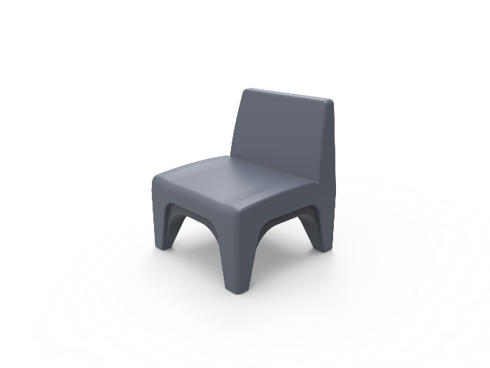
Resting / Recreational Room Chair
Description
Furniture that has the ability to be filled with sand to increase the total weight, reducing the chance of movement and damage.
Specification
The surface should be easy to clean and maintain while not affecting colour and finish.
Durable, long lasting with low maintenance and replacement costs.
Rounded or doomed corners and edges for safety and security of patients as well as care givers.
No sharp edges, points or protruding parts that could potentially cause harm.
The chair should be made from a seamless one piece construction, that is impervious to fluid and completely waterproof.
The chair should be impact resistant and durable and long lasting. Manufactured to be comfortable and ergonomic.
The product offered shall be chemically resistant to blood, vinegar, urine, faeces, salt solution and chlorine.
The product offered shall be flame retardant and meet the local standard of flame retardancy. The product must meet at least a V0 rating and test certificate must be supplied with bid.
The chair shall have 4 self lubracting foot slides to reduce damage of the product and the floor by reducing friction.
Upon installation, the chair shall be filled with the desired weight to suite the institute and then sealed via a tamperproof bung and 4 tamperproof self tapping stainless steel screws.
The product should be UV Stabilised to reduce any fading or discolouration.
The product should be a smooth or textured finish, that is free from pin holes or cavities in which dirt or bacteria is able to build up.
Dimensions
The chair shall be approximately
600mm - 700 mm in Width
800mm - 900mm in Height
500mm - 700mm in Depth

Recreational Table
Recreational Table With Moulded Base
Description
Table used by mental health patients for recreational purposes

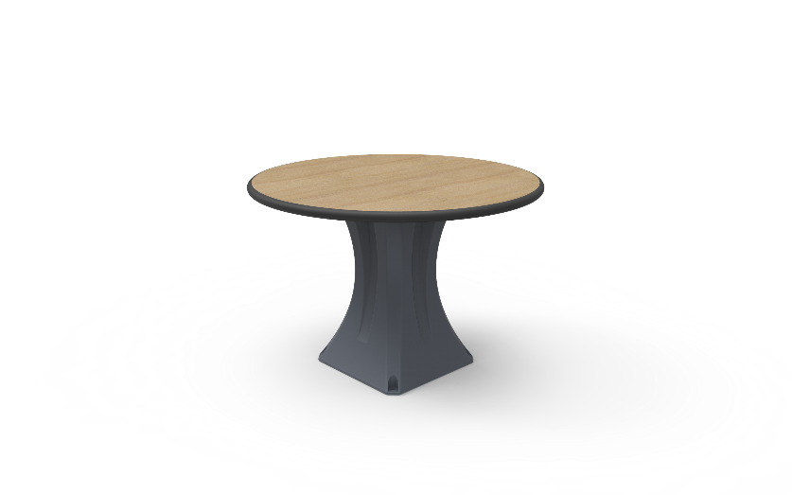
Specification
Table Top
The surface should be easy to clean and maintain while not affecting colour and finish.
Durable, long lasting with low maintenance and replacement costs.
No sharp edges, points or protruding parts that could potentially cause harm.
Edges shall be radiused for safety and pressure fused to the top, rendering it permeant and non removable.
The table should be made from a heavy duty 32mm decorative high pressure laminate sealed with a specially formulated injection moulded bumper.
The table should be impact resistant and durable and long lasting. Manufactured to be comfortable and ergonomic.
Table base should be mounted to the Table top Via 4 - 6 x M8 stainless steel tamperproof Torx Head screws, that mount into T Nuts that are bonded to the table top.
Table top must be made of Polythere plastic
The institution shall have a choice of decretive finishes to suite their environments.
Table Base
Table base that has the ability to be filled with sand to increase the total weight, reducing the chance of movement and damage.
The surface should be easy to clean and maintain while not affecting colour and finish.
Durable, long lasting with low maintenance and replacement costsl
Rounded or domed corners and edges for safety and security of patients as well as care givers.
No sharp edges, points or protruding parts that could potentially cause harm.
The table base should be made from a seamless one piece construction, that is impervious to fluid and completely waterproof.
The table base should be impact resistant and durable and long lasting. Manufactured to be comfortable and ergonomic.
The product offered shall be chemically resistant to blood, vinegar, urine, faeces, salt solution and chlorine.
The product offered shall be flame retardant and meet the local standard of flame retardancy. The product must meet at least a V0 rating and test certificate must be supplied with bid.
The table shall have the option of 4 self lubricating foot slides to reduce damage of the product and the floor by reducing friction.
Upon installation, the institution has the choice of having the table bolted to the floor via tamperproof stainless steel anchors or filled with sand to increase the weight..
The product should be UV Stabilised to reduce any fading or discolouration.
The product should be a smooth or textured finish, that is free from pin holes or cavities in which dirt or bacteria is able to build up.
Dimensions
Table Top
Table Top: 1200mm x 750mm x 32mm
Table Height to floor :700mm - 850mm
Stool Height to floor: 500mm - 600mm
Built to accommodate 6 people

6 seater Rectangle
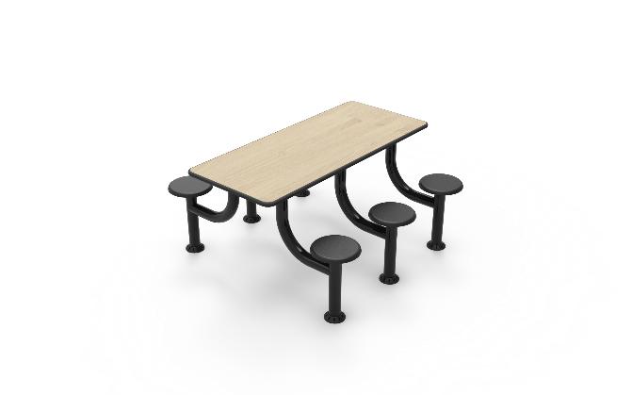
Dining Table 6 Seater rectangle
Description
Table used by mental health patients for recreational purposes

Specification
Table Top
Table top must be made of solid wood
The surface should be easy to clean and maintain while not affecting colour and finish.
Durable, long lasting with low maintenance and replacement costs.
No sharp edges, points or protruding parts that could potentially cause harm.
Edges shall be radiused for safety and pressure fused to the top, rendering it permanent and non removable.
The table should be made from a heavy duty 32mm decorative high pressure laminate sealed with a specially formulated injection moulded bumper.
The table should be impact resistant and durable and long lasting. Manufactured to be comfortable and ergonomic.
Table base should be mounted to the Table top Via 4 - 6 x M8 stainless steel tamperproof Torx Head screws, that mount into T Nuts that are bonded to the table top.
The institution shall have a choice of decretive finishes to suite their environments.
Table Base
The unit shall have a base steel frame Work that shall be made from a 76.2mm Mild Steel Round.
Wall thickness of the tube shall be 2mm.
The unit compromises of an individual steel upright that is fully welded to a bend upright that supports the table top.
5mm mild steel flange fully welded to the top tube to support the table top and used as a means of fastening base to table top with Countersunk Stainless Steel Torx head screws.
No sharp edges, points or protruding parts that could potentially cause harm.
Durable, long lasting with low maintenance and replacement costs.
The seat shall be made from a scratch resistant, durable and flame retardant material that is long lasting.
Institutions have the option of anchoring the table to the floor or having a non removable skid resistant adjustable glide, if they require the unit free standing.
The steel base shall be Epoxy powder coated to create a protective layer against damage and rust.
Dimensions
Table Top
Table Top: 1200mm x 750mm x 32mm
Table Height to floor :700mm - 850mm
Stool Height to floor: 500mm - 600mm
Built to accommodate 6 people

4 seater square
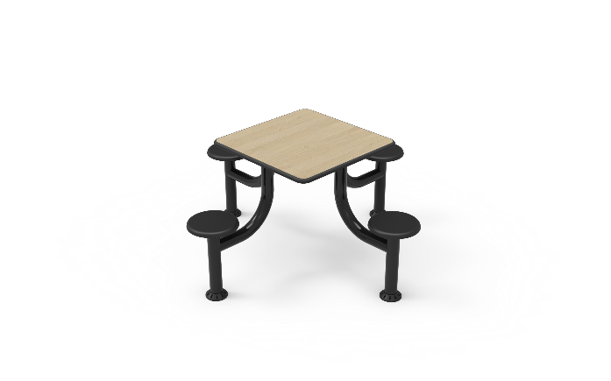
Dining Table 4 Seater square (With wooden top)
Description
Table used by mental health patients for recreational purposes

Specification
Table Top
The surface should be easy to clean and maintain while not affecting colour and finish.
Durable, long lasting with low maintenance and replacement costs.
No Sharp edges, points or protruding parts that could potentially cause harm.
Edges shall be radiused for safety and pressure fused to the top, rendering it permanent and non removable.
The table should be made from a heavy duty 32mm decorative high pressure laminate sealed with a specially formulated injection moulded bumper.
The table should be impact resistant and durable and long lasting. Manufactured to be comfortable and ergonomic.
Table base should be mounted to the Table top Via 4 - 6 x M8 Sstainless steel tamperproof Torx head screws, that mount into T Nuts that are bonded to the table top.
The institution shall have a choice of decretive finishes to suite their environments.
Table Base
The unit shall have a base steel frame work that shall be made from a 76.2mm round Mild Steel Round.
Wall thickness of the tube shall be 2mm.
The unit compromises of an individual steel upright that is fully welded to a bend upright that supports the table top.
5mm mild steel flange fully welded to the top tube to support the table top and used as a means of fastening base to table top with Countersunk Stainless Steel Torx head screws.
No Sharp edges, points or protruding parts .that could potentially cause harm.
Durable, long lasting with low maintenance and replacement costs.
The seat shall be made from a scratch resistant, durable and flame retardant material that is long lasting .
Institutions have the option of anchoring the table to the floor or having a non removable skid resistant adjustable glide, if they require the unit free standing.
The Steel base shall be Epoxy powder coated to create a protective layer against damage and rust.
Dimensions
Table Top
Table Top: 900mm x 900mm x 32mm
Table Height to floor :700mm - 850mm
Stool Height to floor: 500mm - 600mm
Build to accommodate 4 people

2 Tier Shelf
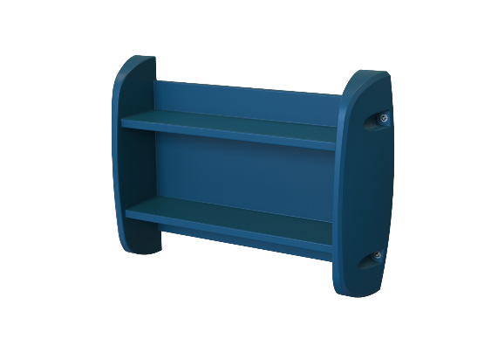
2 Tier Wall Mounted Shelf
Description
Equipment used by patients to store books aor any other study material

Specification
Furniture that can be securely anchored to the floor or wall, with no ligature points and no gaps in the construction allowing concealment of contraband or weapons.
The surface should be easy to clean and maintain while not affecting colour and finish.
Durable, long lasting with low maintenance and replacement costs.
Rounded or domed corners and edges for safety and security of patients and care givers.
No sharp edges, points or protruding parts that could potentially cause harm
The shelf should be made from a seamless one piece construction, that is impervious to fluid and completely waterproof.
The shelf should be impact resistant and durable and shall be filled with a rigid structural polyurethane foam for increased strength an sound absorption.
The product offered shall be chemically resistant to blood, vinegar, urine, faeces, salt solution and chlorine.
The product offered shall be flame retardant and meet the local standard of flame retardancy. The product must meet at least a V0 Rating and a test certificate must be supplied with the bid.
The shelf shall have the ability to be bolted to the wall with a maximum of 6 stainless steel Tamper resististant Torx Head Screws.
Upon installation, the shelf shall be sealed to the wall with a Tamper and pick resistant silicone based sealant,
The shelf should comprise of a 2 flat pannels for storage.
The product should be UV Stabilised to reduce any fading or discolouration.
The product should be a smooth or textured finish, that is free from Pin holes or cavities in which dirt or bacteria is able to build up.
Dimensions
The 2 Tier Shelf size shall be approximately
1000mm - 1100mm Wide
700mm - 800mm in Height
200mm- 300mm in depth

4 Tier Shelf
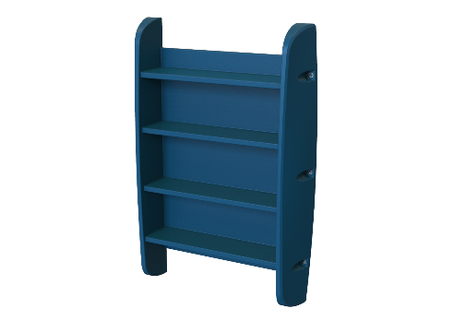
4 Tier Shelf
Description
Equipment used by patients to store books aor any other study material

Specification
Furniture that can be securely anchored to the floor or wall, with no ligature points and no gaps in the construction allowing concealment of contraband or weapons.
The surface should be easy to clean and maintain while not affecting colour and finish
Durable, long lasting with low maintenance and replacement costs.
Rounded or domed corners and edges for safety and security of patients as well as care givers.
No Sharp edges, points or protruding parts that could potentially cause harm.
The shelf should be made from a seamless one piece construction, that is impervious to fluid and completely waterproof.
The shelf should be impact resistant and durable and shall be filled with a rigid structural polyurethane foam for increased strength an sound absorption.
The product offered shall be chemically resistant to blood, vinegar, urine, faeces, salt solution and chlorine.
The product offered shall be flame retardant and meet the local standard of flame retardancy. The product must meet at least a V0 Rating and test certificate must be supplied with bid.
The Shelf shall have the ability to be bolted to the wall with a maximum of 6 stainless steel tamper resististant Torx Head Screws.
Upon installation, the shelf shall be sealed to the wall with a tamper and pick resistant silicone based sealant.
The shelf should comprise of a 4 flat pannels for storage.
The product should be UV Stabilised to reduce any fading or discolouration.
The product should be a smooth or textured finish, that is free from pin holes or cavities in which dirt or bacteria is able to build up.
Dimensions
The 4 Tier Shelf shall be approximately :
1000mm - 1100mm Wide
1400mm - 1600mm in Height
200mm- 300mm in depth

Wall Mirror
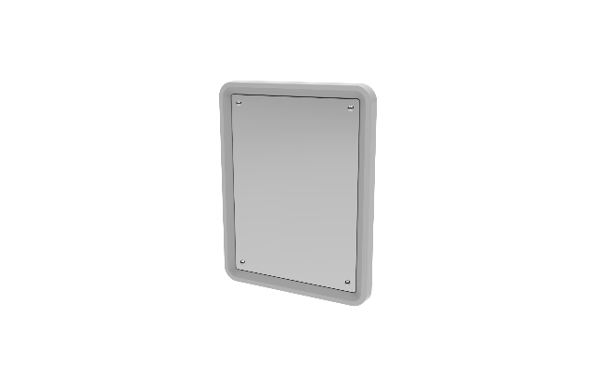
High Security Wall Mirror
Description
Equipment used for security monitoring of mental health patients

Specification
The surface should be easy to clean and maintain while not affecting colour and finish.
Durable, long lasting with low maintenance and replacement costs.
No sharp edges, points or protruding parts that could potentially cause harm
Edges shall be rounded for safety and pressure fused to the top, rendering it permanent and non removable.
Virtually indestructible and unbreakable, mirror quality polycarbonate face.
Chemical resistant and long lasting PVC water resistant frame.
To be supplied with the relevant security Stainless Steel torx head screws to mount to the wall.
There must no glass on the mirror
Upon installation, the mirror shall be sealed to the wall with a tamper and pick resistant silicone based sealant.
Dimensions
500x400mm, 3mm Polycarbonate High Security Wall Mirror with 8 x holes

Psychiatric Mattress
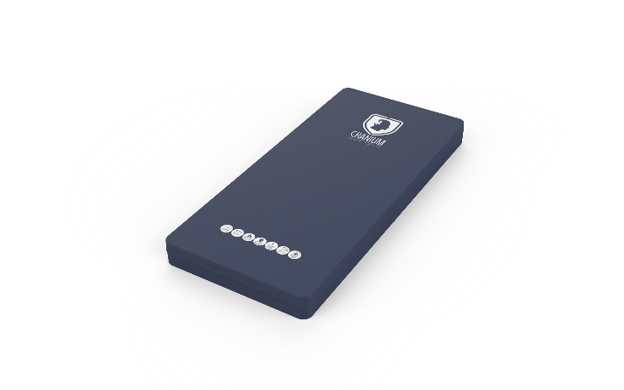
Psychiatric Mattress
Description
Rectangular quipment pad used for supporting the body when sleeping

Specification
The mattress offered shall be specifically designed to fit the bed offered and shall be made to suite the behavioural healthcare environment.
The surface should be easy to clean and maintain while not affecting colour and finish.
Durable, long lasting with low maintenance and replacement costs.
The mattress offered shall have a flame retardant conversional foam core made from a 30 density foam. Flame retardancy certification to be supplied with bid.
The double sided Polyurethane 330gsm cover must be fully sealed with frequency welded seams to prevent any ingress of fluid.
The mattress cover must be a fully sealed construction, with no mechancial zip or zip chain.
The mattress offered shall have a laminated fire retardent barrier that is fluid repellent,anti fungal, crack resistant,stain resistant,anti static and breathable.
Dimensions
The mattress shall be approximately:
1900mm - 2000mm in length
900mm - 1000mm in width
150mm in thickness

