Sheet1
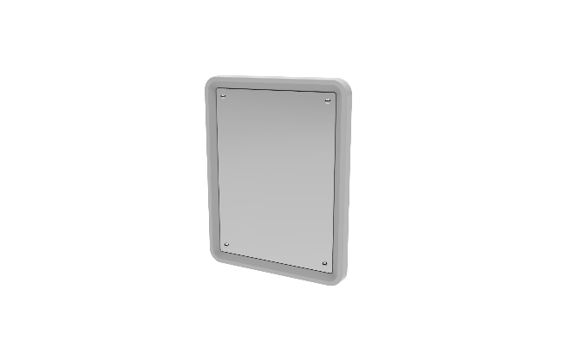
High Security Wall Mirror
Description
Equipment used for security monitoring of mental health patients

Specification
The surface should be easy to clean and maintain while not affecting colour and finish.
Durable, long lasting with low maintenance and replacement costs.
No sharp edges, points or protruding parts that could potentially cause harm
Edges shall be rounded for safety and pressure fused to the top, rendering it permanent and non removable.
Virtually indestructible and unbreakable, mirror quality polycarbonate face.
Chemical resistant and long lasting PVC water resistant frame.
To be supplied with the relevant security Stainless Steel torx head screws to mount to the wall.
There must no glass on the mirror
Upon installation, the mirror shall be sealed to the wall with a tamper and pick resistant silicone based sealant.
Dimensions
500x400mm, 3mm Polycarbonate High Security Wall Mirror with 8 x holes

