Sheet1
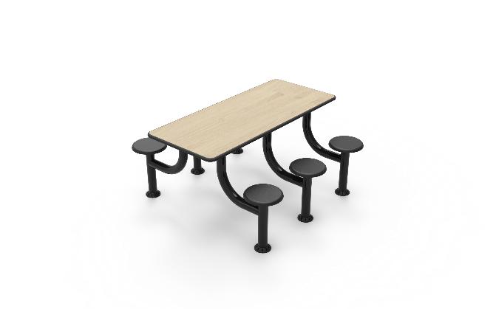
Dining Table 6 Seater Rectangle
Description
Table used by mental health patients for recreational purposes

Specification
Table Top
Table top must be made of solid wood
The surface should be easy to clean and maintain while not affecting colour and finish.
Durable, long lasting with low maintenance and replacement costs.
No sharp edges, points or protruding parts that could potentially cause harm.
Edges shall be radiused for safety and pressure fused to the top, rendering it permanent and non removable.
The table should be made from a heavy duty 32mm decorative high pressure laminate sealed with a specially formulated injection moulded bumper.
The table should be impact resistant and durable and long lasting. Manufactured to be comfortable and ergonomic.
Table base should be mounted to the Table top Via 4 - 6 x M8 stainless steel tamperproof Torx Head screws, that mount into T Nuts that are bonded to the table top.
The institution shall have a choice of decretive finishes to suite their environments.
Table Base
The unit shall have a base steel frame Work that shall be made from a 76.2mm Mild Steel Round.
Wall thickness of the tube shall be 2mm.
The unit compromises of an individual steel upright that is fully welded to a bend upright that supports the table top.
5mm mild steel flange fully welded to the top tube to support the table top and used as a means of fastening base to table top with Countersunk Stainless Steel Torx head screws.
No sharp edges, points or protruding parts that could potentially cause harm.
Durable, long lasting with low maintenance and replacement costs.
The seat shall be made from a scratch resistant, durable and flame retardant material that is long lasting.
Institutions have the option of anchoring the table to the floor or having a non removable skid resistant adjustable glide, if they require the unit free standing.
The steel base shall be Epoxy powder coated to create a protective layer against damage and rust.
Dimensions
Table Top
Table Top: 1200mm x 750mm x 32mm
Table Height to floor :700mm - 850mm
Stool Height to floor: 500mm - 600mm
Built to accommodate 6 people

