Sheet1
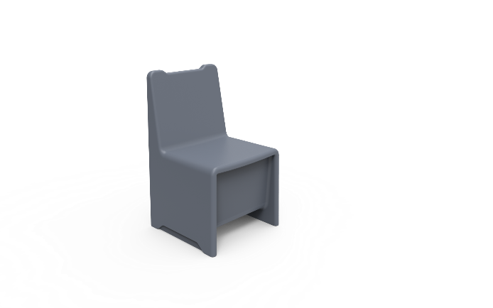
Dining Room Chair
Description
Furniture that has the ability to be filled with sand to increase the total weight, reducing the chance of movement and damage.
Specification
The Surface should be easy to clean and maintain while not affecting colour and finish.
Durable, long lasting with low maintenance and replacement costs.
Rounded or domed corners and edges for safety and security of patients as well as care givers.
No sharp edges, points or protruding parts that could potentially cause harm.
The chair should be made from a seamless one piece construction, that is impervious to fluid and completely waterproof.
The chair should be impact resistant and durable and long lasting. Manufactured to be comfortable and ergonomic.
The product offered shall be chemically resistant to blood, vinegar, urine, faeces, salt solution and chlorine.
The product offered shall be flame retardant and meet the local standard of flame retardancy. The product must meet at least a V0 rating and test certificate must be supplied with bid.
The chair shall have 4 self lubracting foot slides to reduce damage of the product and the floor by reducing friction.
Upon installation, the chair shall be filled with the desired weight to suite the institute and then sealed via a tamperproof bung and 4 tamperproof self tapping stainless steel screws.
The product should be UV Stabilised to reduce any fading or discolouration.
The product should be a smooth or textured finish, that is free from pin holes or cavities in which dirt or bacteria is able to build up.

Dimensions
The chair size shall be approximately :
400mm - 500 mm in Width
800mm - 900mm in Height
400mm - 500mm in Depth

