Sheet1
Adult Floor Mounted Psychiatric Bed
Description
Furniture that can be securely anchored to the floor or wall, with no ligature points and no gaps in the construction allowing concealment of contraband or weapons for mental health patients.

Specification
The bed must be offered with a mattress that specifically fit the bed
The surface should be easy to clean and maintain while not affecting colour and finish.
Durable, long lasting with low maintenance and replacement costs.
Rounded or domed corners and edges for safety and security of patientsas well as care givers.
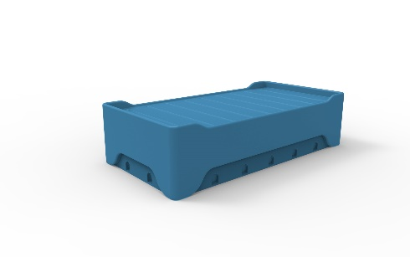
No sharp edges, points or protruding parts that could potentially cause harm.
The bed should be made from a seamless one piece construction, that is impervious to fluid and completely waterproof.
The bed should be impact resistant and durable and shall be filled with a rigid structural polyurethane foam for increased strength an sound absorption.
The product offered shall be chemically resistant to blood, vinegar, urine, faeces, salt solution and chlorine.
The product offered shall be flame retardant and meet the local standard of flame retardancy. The product must meet at least a V0 rating and test certificate must be supplied with bid.
The bed shall have the ability to be bolted to the floor with a maximum of 12 stainless steel tamper resististant Torx head screws.
Upon installation, the bed shall be sealed to the floor with a tamper and pick resistant silicone based sealant, to prevent fluid leaking beneath the bed.
Restraining rings can be mounted to the bed base where the anchors are set into the floor, the restraint rings shall accommodate most sizes of restraints and shall be made of a polished 5mm thick stainless steel, with no sharp corners or edges.
The mattress platform shall have a built in mattress retainer to stop shifting and movement of the mattress.
The product should be UV Stabilised to reduce any fading or discolouration.
The product should be a smooth or textured finish, that is free from pin holes or cavities in which dirt or bacteria is able to build up.
Dimensions
The bed shall be approximately
1980mm - 2000mm in Length
900mm - 1000mm in Width
450mm - 500mm in Height.

