Sheet1
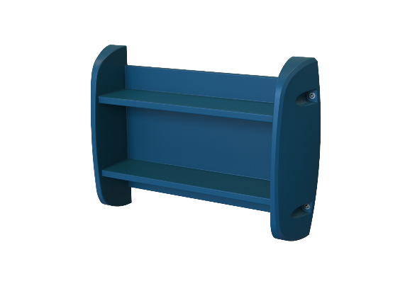
2 Tier Wall Mounted Shelf
Description
Equipment used by patients to store books aor any other study material

Specification
Furniture that can be securely anchored to the floor or wall, with no ligature points and no gaps in the construction allowing concealment of contraband or weapons.
The surface should be easy to clean and maintain while not affecting colour and finish.
Durable, long lasting with low maintenance and replacement costs.
Rounded or domed corners and edges for safety and security of patients and care givers.
No sharp edges, points or protruding parts that could potentially cause harm
The shelf should be made from a seamless one piece construction, that is impervious to fluid and completely waterproof.
The shelf should be impact resistant and durable and shall be filled with a rigid structural polyurethane foam for increased strength an sound absorption.
The product offered shall be chemically resistant to blood, vinegar, urine, faeces, salt solution and chlorine.
The product offered shall be flame retardant and meet the local standard of flame retardancy. The product must meet at least a V0 Rating and a test certificate must be supplied with the bid.
The shelf shall have the ability to be bolted to the wall with a maximum of 6 stainless steel Tamper resististant Torx Head Screws.
Upon installation, the shelf shall be sealed to the wall with a Tamper and pick resistant silicone based sealant,
The shelf should comprise of a 2 flat pannels for storage.
The product should be UV Stabilised to reduce any fading or discolouration.
The product should be a smooth or textured finish, that is free from Pin holes or cavities in which dirt or bacteria is able to build up.
Dimensions
The 2 Tier Shelf size shall be approximately
1000mm - 1100mm Wide
700mm - 800mm in Height
200mm- 300mm in depth

