Educational Chart
Item Name | Detailed Specification
Polygons set Chart | A1 Chart showing regular Polygons set ( Triangles, Squares, Rectangles,Paralelograms, Pentagons, Hexagons) Printed in black and laminated - 3cm bolded letters
Fraction Circle (Learner) | Eight (8) x fraction circles with a diameter of 10 cm on 370gsm Performa board. Gloss laminated on both sides. Each fraction division/ fraction part must have its designated fraction symbol neatly printed in the middle of the fraction division in white/black with a height of 4cm. No slanted lines allowed for fraction symbols. Each of the 8 fraction circles must represent one whole and must have one of the following designated fraction parts: (whole (1), halves (1/2), thirds (1/3), quarters 1/4), fifths (1/5), sixths (1/6),sevenths(1/7) and eighths (1/8). Each fraction part of the fraction circle must be marked with a fraction symbol. Packed in a durable plastic container.
Teacher Demo Equivalent Fractions Activity Chart | Double sided, Wipeable plastic equivalent fractions activity chart, one side showing the pie-model equivalent fractions and the other side showing equivalent fractions block activity for practise. A1 size Teacher Demo Activity Chart
Learner Equivalent Fractions Activity Chart | Double sided, Wipeable plastic equivalent fractions activity chart, one side showing the pie-model equivalent fractions and the other side showing equivalent fractions block activity forpractise. A4 size Learner Activity Chart. Packed in a polybag.
2D Geo Shape & 3D Geo object Flip Chart, Teacher Demo | A Teacher demo 2D Geo Shape & 3D Geo object flip chart with six flips showing name and picture of 3D object, 3D net, number of vertices, faces and edges. size 46 x 15cm. Packed in a polybag
2D Geo Shape & 3D Geo object Flip Chart, Learner Set | Pack of 10 small 2D Geo Shape & 3D Geo object flip charts for Learners - with six flips (name and picture of 3D object, 3D net, number of vertices, faces and edges, measures 31cm x 9cm. Packed in a polybag
Large, Flexible, Wall numberline from zero (0) to hundred (100) | Large, Flexible, Wall numberline Horizontally to be mounted on the classroom wall in durable manner To be on carton and laminated with clear distinction between numbers from zero (0) to hundred (100) The numberline should start with a zero (0) The wall numberline should be in white (background) The horizontal line should be black in colour The calibration between numbers should be indicated with a dot at the top of each number The dots should be only in 2 different colours of which one is black and any other colour to be used from the foundation phased colours for clear distinction to learners All multiples of 5 should be clearly indicated in black colour The dot at the top of each number should be in same colour (black and 1 other colour of foundation phase) Size of wall numberline: Width should be at least 15cm (min 15cm and max 20cm) Length might differ due to font size and type used as indicated below Font size of the numbers should be 72 (min 72 and max 85) Font type: Arial or Times New Roman Packaging: Suitable plastic to cover numberline
Number board (Wall chart) | Number board 100 boards in sets of ten. Double-sided laminated boards, to have a number chart one (1) to hundred (100) printed on one side and a blank 10x10 grid on the reverse Wall chart should have heading at top reading 'Numbers 1 to 100' Wall chart can be presented in colourful manner Font type: Arial or Times New Roman Font size: at least 48 font for all numbers to fit and easily visible to all learners in class Size of number board (wall chart): A1 (594mm x 841mm) Packaging: Suitable plastic container
Wall chart for ordinal numbers | Wall chart for ordinal numbers Chart to show the order, place or position of objects, e.g appels, cars, etc. Foundation phase colours can be used on wall chart Wall chart should be presented in a colourful manner Objects on the chart should be arranged in a line, clearly stating first, second, third, etc. and also accommodate all official languages (as indicated when ordered by the respective school) Ordinal values up to "tenth" should be presented on the chart Size: A1 Packaging: Suitable plastic container
Vertical Height Chart | Vertical Height Chart Should be a durable, large, flexible strip The strip should be mountable on the classroom wall To be on carton and laminated with clear distinction between numbers from zero (0) to hundred and fifty (150) centimeters Calibration on chart should be on either left or right-hand side to allow learners to stand next to it for measurement Calbration mark on chart should be in intervals of 5cm The height chart should start with a zero (0) and have a white background The vertical measurement line should be marked in black Chart measurement should be in centimeters from 0cm to 150cm Size of chart: 150cm in length by 33cm in width (min 30cm and max of 35cm) Packaging: Suitable plastic container
Birthday Chart A1 | Birthday Chart for classrooms To be printed on wipeable banner material Chart should include all months of the year Each month should be in a clear, readable font and big enough to write names of all learners and teacher The months can be presented on the chart in different colours Size: (594mm x 841mm) A1 Packaging: Packed in suitable plastic bag
Wipeable, Magnetic A1 Pictograph Chart | Durable, wipeable, magnetic A1 pictograph size chart Banner material that includes lines with a grid and provide space for a title on top of the grid To enable teachers to demonstrate either horizontal or vertical representation of items Size: (594mm x 841mm) A1 Packaging: Packed in suitable plastic bag
Plastic Place value flip chart for classroom demonstration | Place value flip chart from zero (0) to a ninety nine (99) for classroom demonstration Freestanding flip chart should be made out of sturdy plastic and not paper Flip chart to be in a form of a triangular prism with sturdy base (freestanding) Chart to feature two (2) flips, each with numbers zero (0) to nine (9), in order to count up to ninety nine (99) Any two of the foundation phase basic colours (red, green, blue, yellow, white, black and orange) to be used, each at one column Numbers clearly printed in large black text against the solid colour background The footer on each flip should indicate the place value, e.g. 'ones' and 'tens' Size of flip chart: Approximately 18cm min to 20cm max Size of each flip: min of 7cm to max of 8cm Font size: Approximately 4cm to 5cm Type of font: Times New Roman Packaging: Suitable plastic bag
Number bond wall chart | Number bond wall chart Clear and visible heading at the top showing "Number Bond" Font type: Arial or Times New Roman Font size: at least 48 font for all numbers to fit and easily visible to all learners in class Font colour: Black Wall chart made of wipeable material Bonds of 10 should be clear, using different representations and colours to count up to 10 Foundation phase colours can be used on wall chart Wall chart should be presented in a colourful manner Size: (594mm x 841mm) A1 Packaging: Suitable plastic container
Wall chart showing capacity | Wall chart showing capacity Clear and visible heading at the top showing "Measurement in ml and liters" Font type: Arial or Times New Roman Font size: at least 48 font for all numbers to fit and easily visible to all learners in class Font colour: Black Different representations and colours to be used in order show measurement of in ml and liters Foundation phase basic colours (red, green, blue, yellow, white, black and orange) colours can be used on wall chart Wall chart should be presented in a colourful manner Size: (594mm x 841mm) A1 Packaging: Suitable plastic container
Wall chart showing length | Wall chart showing length Clear and visible heading at the top showing "Measurement in ml and liters" Font type: Arial or Times New Roman Font size: at least 48 font for all numbers to fit and easily visible to all learners in class Font colour: Black Different representations and colours to be used in order show length in millimetre and centrimetres Foundation phase basic colours (red, green, blue, yellow, white, black and orange) colours can be used on wall chart Wall chart should be presented in a colourful manner Size: (594mm x 841mm) A1 Packaging: Suitable plastic container
Wall chart showing Mass | Wall chart showing mass Clear and visible heading at the top showing "Measurement in grams and kilograms" Font type: Arial or Times New Roman Font size: at least 48 font for all numbers to fit and easily visible to all learners in class Font colour: Black Different representations and colours to be used in order show mass in grams and kilograms Foundation phase basic colours (red, green, blue, yellow, white, black and orange) colours can be used on wall chart Wall chart should be presented in a colourful manner Size: (594mm x 841mm) A1 Packaging: Suitable plastic container
Wall chart for ordinal numbers | Wall chart for ordinal numbers Chart to show the order, place or position of objects, e.g appels, cars, etc. Foundation phase colours can be used on wall chart Wall chart should be presented in a colourful manner Objects on the chart should be arranged in a line, clearly stating first, second, third, etc. and also accommodate all official languages (as indicated when ordered by the respective school) Ordinal values up to "twentieth" should be presented on the chart Size: (594mm x 841mm) A1 Packaging: Suitable plastic container
Vertical Height Chart | Vertical Height Chart Should be a durable, large, flexible strip The strip should be mountable on the classroom wall To be on carton and laminated with clear distinction between numbers from zero (0) to hundred and fifty (150) centimeters Calibration on chart should be on either left or right-hand side to allow learners to stand next to it for measurement Calbration mark on chart should be in intervals of 5cm The height chart should start with a zero (0) and have a white background The vertical measurement line should be marked in black Chart measurement should be in centimeters from 0cm to 150cm Size of chart: 150cm in length by 33cm in width (min 30cm and max of 35cm) Packaging: Suitable plastic container
Wipeable, Magnetic A1 Pictograph Chart | Durable, wipeable, magnetic A1 pictograph size chart Banner material that includes lines with a grid and provide space for a title on top of the grid To enable teachers to demonstrate either horizontal or vertical representation of items Size: (594mm x 841mm) A1 Packaging: Packed in suitable plastic bag
Plastic Place value flip chart for classroom demonstration | Place value flip chart from zero (0) to a ninety nine (99) for classroom demonstration Freestanding flip chart should be made out of sturdy plastic and not paper Flip chart to be in a form of a triangular prism with sturdy base (freestanding) Chart to feature two (2) flips, each with numbers zero (0) to nine hundred and ninety nine (999), in order to count up to nine hundred and ninety nine (99) Any two of the foundation phase basic colours (red, green, blue, yellow, white, black and orange) to be used, each at one column Numbers clearly printed in large black text against the solid colour background The footer on each flip should indicate the place value, e.g. 'ones', 'tens' and 'hundreds' Size of flip chart: Approximately 27cm min to 30cm max Size of each flip: min of 7cm to max of 8cm Font size: Approximately 4cm to 5cm Type of font: Times New Roman Packaging: Suitable plastic bag
Geometric volume set | Plastic Geometric Volume Set Should be clear Set consists of: 6 clear plastic solids that can be filled with liquids, such as e.g. sand, rice, etc. Packaging: Packed in a suitable plastic bag for et
Charts of Number bonds | Number bond wall chart Clear and visible heading at the top showing "Number Bond" Font type: Arial or Times New Roman Font size: at least 48 font for all numbers to fit and easily visible to all learners in class Font colour: Black Wall chart made of wipeable material Bonds of 10, 11, 12, 13,14, 15, 16, 17, 18, 19, 20 using different representation and colours to be shown Foundation phase basic colours (red, green, blue, yellow, white, black and orange) can be used on wall chart Wall chart should be presented in a colourful manner Size: (594mm x 841mm) A1 Packaging: Suitable plastic container
Wall chart showing capacity | Wall chart showing capacity Clear and visible heading at the top showing "Measurement in ml and liters" Font type: Arial or Times New Roman Font size: at least 48 font for all numbers to fit and easily visible to all learners in class Font colour: Black Different representations and colours to be used in order show measurement of in ml and liters Foundation phase basic colours (red, green, blue, yellow, white, black and orange) colours can be used on wall chart Wall chart should be presented in a colourful manner Size: (594mm x 841mm) A1 Packaging: Suitable plastic container
Wall chart showing length | Wall chart showing length Clear and visible heading at the top showing "Measurement in ml and liters" Font type: Arial or Times New Roman Font size: at least 48 font for all numbers to fit and easily visible to all learners in class Font colour: Black Different representations and colours to be used in order show length in millimetre and centrimetres Foundation phase basic colours (red, green, blue, yellow, white, black and orange) colours can be used on wall chart Wall chart should be presented in a colourful manner Size: (594mm x 841mm) A1 Packaging: Suitable plastic container
Wall chart showing Mass | Wall chart showing mass Clear and visible heading at the top showing "Measurement in grams and kilograms" Font type: Arial or Times New Roman Font size: at least 48 font for all numbers to fit and easily visible to all learners in class Font colour: Black Different representations and colours to be used in order show mass in grams and kilograms Foundation phase basic colours (red, green, blue, yellow, white, black and orange) colours can be used on wall chart Wall chart should be presented in a colourful manner Size: (594mm x 841mm) A1 Packaging: Suitable plastic container
Wall chart for ordinal numbers | Wall chart for ordinal numbers Chart to show the order, place or position of objects, e.g appels, cars, etc. Foundation phase colours can be used on wall chart Wall chart should be presented in a colourful manner Objects on the chart should be arranged in a line, clearly stating first, second, third, etc. and also accommodate all official languages (as indicated when ordered by the respective school) Ordinal values up to "twentieth" should be presented on the chart Size: (594mm x 841mm) A1 Packaging: Suitable plastic container
Pascal triangle | 1 Wall chart Should consists of the following: A heading A short description of the respective chart A graph/illustration, if and where applicable Pointers/indicators for learners, where applicable At least one worked out example, where applicable Font: Arial or Times New Roman Font size: Shoulde be at least 48 and not smaller Laminated at both sides Size A1 (594mm x 841mm)
Sine rule formula | 1 Standard Wall chart with sine formula Should consists of the following: A heading Should include a short description A graph/illustration, if and where applicable Pointers/indicators for learners, where applicable At least one worked out example, where applicable Font: Arial or Times New Roman Font size: Shoulde be at least 48 and not smaller Laminated at both sides Size A1 (594mm x 841mm)
2 set cosine formula (1 obtuse and 1 acute) | 1 Standard Wall chart with 2 set cosine formula (1 obtuse and 1 acute) Should consists of the following: A heading Should include a short description A graph/illustration, if and where applicable Pointers/indicators for learners, where applicable At least one worked out example, where applicable Font: Arial or Times New Roman Font size: Shoulde be at least 48 and not smaller Laminated at both sides Size A1 (594mm x 841mm)
font size should be big enough for all learners to see in class
$$Size A1 (594mm x 841mm)$$
Trigonometrical ratios (def of 6 trigonometric ratios) | Trigonometrical ratios (def of 6 trigonometric ratios) Illustration must be a right-angle triangle showing 6 defiitions of the trigonometric ratios Illustration of ratios must be in different colours for a clear understanding Font size: should be clear and big enough for all learners in the class to see Size A1 (594mm x 841mm)
CASTrule | CASTrule Cartesian plane showing trigometric functions where they are positive and negative Should be presented in different colours for a clear understanding Size: A1 (594mm x 841mm)
Trigonometric graph (size A1 (594mm x841mm) | 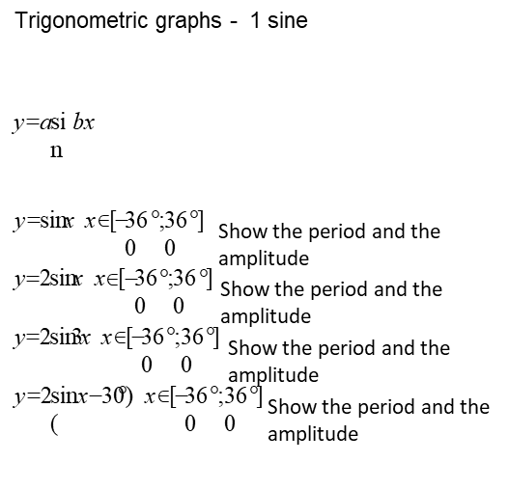

Trigonometric graph | 

Trigonometric graph | 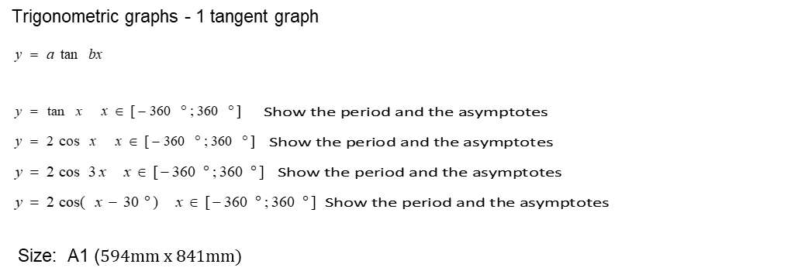

Graph of Parabola | 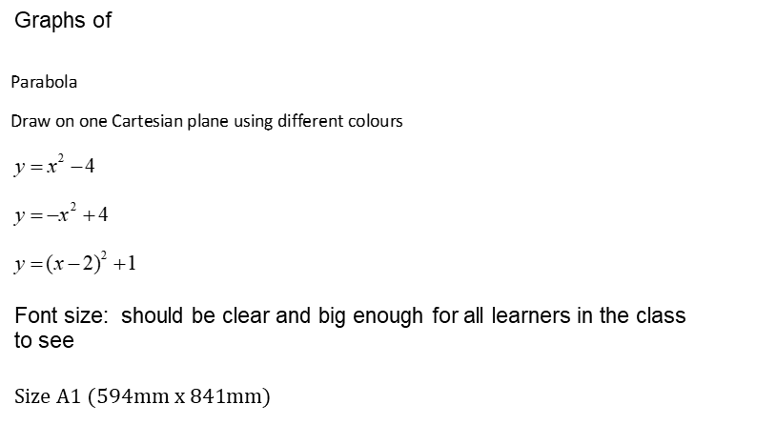

Exponential graph
Draw
then
on one Cartesian plane
using different colours
x
y
2
=
1
2
+
=
x
y
1
2
−
=
x
y
x
y
−
=
2
Chart should consist of 4 exponential graphs
Graphs should be presented in different colours for a clear understanding
Size A1 (594mm x 841mm)
Trigonometrical ratios (def of 6 trigonometric ratios) | Trigonometrical ratios (def of 6 trigonometric ratios) Illustration must be a right-angle triangle showing 6 defiitions of the trigonometric ratios Illustration of ratios must be in different colours for a clear understanding Font size: should be clear and big enough for all learners in the class to see Size A1 (594mm x 841mm)
Hyperbola | 
Exponential graphs
Trigonometrical identities
Font size: should be clear and big enough for all learners in the class to see
Size: A1 (594mm x 841mm)

Polygons set Chart A1 | A1 Chart showing regular Polygons set ( Triangles, Squares, Rectangles,Paralelograms, Pentagons, Hexagons) Printed in black and laminated - 3cm bolded letters
Polygons set Chart A2 | A2 Chart showing regular Polygons set ( Triangles, Squares, Rectangles,Paralelograms, Pentagons, Hexagons) Printed in black and laminated - 3cm bolded letters
Polygons set Chart A3 | A3 Chart showing regular Polygons set ( Triangles, Squares, Rectangles,Paralelograms, Pentagons, Hexagons) Printed in black and laminated - 3cm bolded letters
Polygons set Chart A4 | A4 Chart showing regular Polygons set ( Triangles, Squares, Rectangles,Paralelograms, Pentagons, Hexagons) Printed in black and laminated - 3cm bolded letters
Polygons set Chart (small) | A1 Chart showing regular Polygons set ( Triangles, Squares, Rectangles,Paralelograms, Pentagons, Hexagons) Printed in black and laminated - 3cm bolded letters
Polygons set Chart (medium) | A1 Chart showing regular Polygons set ( Triangles, Squares, Rectangles,Paralelograms, Pentagons, Hexagons) Printed in black and laminated - 3cm bolded letters
Polygons set Chart (large) | A1 Chart showing regular Polygons set ( Triangles, Squares, Rectangles,Paralelograms, Pentagons, Hexagons) Printed in black and laminated - 3cm bolded letters
Polygons set Chart(extra large) | A1 Chart showing regular Polygons set ( Triangles, Squares, Rectangles,Paralelograms, Pentagons, Hexagons) Printed in black and laminated - 3cm bolded letters
Polygons set Chart(small font) | A1 Chart showing regular Polygons set ( Triangles, Squares, Rectangles,Paralelograms, Pentagons, Hexagons) Printed in black and laminated - 3cm bolded letters
Polygons set Chart (medium font) | A1 Chart showing regular Polygons set ( Triangles, Squares, Rectangles,Paralelograms, Pentagons, Hexagons) Printed in black and laminated - 3cm bolded letters
Polygons set Chart(large font) | A1 Chart showing regular Polygons set ( Triangles, Squares, Rectangles,Paralelograms, Pentagons, Hexagons) Printed in black and laminated - 3cm bolded letters
Polygons set Chart (extra large font) | A1 Chart showing regular Polygons set ( Triangles, Squares, Rectangles,Paralelograms, Pentagons, Hexagons) Printed in black and laminated - 3cm bolded letters
Elapsed Time Number Line - Leaner Demonstration | Wipeable plastic elapsed time number line, color coded with space to write the start time, end time and the elapsed time in digital format. Learner 25cm x 10cm. packed in a polybag
A chart on Squares and Cubes | All wall charts should contain the following: A heading Must show squares and cubes to at least 12 cubed The chart must be Laminated on both sides A1 size printed on a synthetic paper made from polypropylene including battens/ something to mount on the walls
A chart on Area formulae | All wall charts should contain the following: A heading Must show areas for the following shapes: ▪ Square ▪ Rectangle ▪ Triangle ▪ Trapezium ▪ Kite ▪ Parallelogram ▪ Rhombus ▪ Circle ▪ Semi-circle ▪ Quarter of a circle The chart must be Laminated on both sides A1 size printed on a synthetic paper made from polypropylene including battens/ something to mount on the walls NB: The formulae for area of the other shapes are optional except for square, rectangle and triangle
A chart on Surface Area and Volume formula | All wall charts should contain the following: A heading Must show areas for the following shapes: ▪ Cube ▪ Rectangular prism The chart must be Laminated on both sides A1 size printed on a synthetic paper made from polypropylene including battens/ something to mount on the walls NB: formulae for surface area of triangular prism and cylinder are optional except for cubes and rectangular prism.
A chart on properties of quadrilaterals | All wall charts should contain the following: A heading Must show properties of the following shapes: ▪ Square ▪ Rectangle ▪ Triangle ▪ Trapezium ▪ Kite ▪ Parallelogram ▪ Rhombus The chart must be Laminated on both sides A1 size printed on a synthetic paper made from polypropylene including battens/ something to mount on the walls
2D Geo Shape Flip Chart Learner Set | Learner Set : Pack of 10 small 2D Geo Shape flip charts for Learners - with six flips (name and picture of 2D shape,number of sides and angles, measures 31cm x 9cm. Packed in a durable polybag
Pythagoras Theorem Model | Set to consist of: - 1 right angled triangle with the dimensions that are 3 cm, 4 cm and 5 cm. The side that is 5 cm must be opposite to 900. - 3 squares as follows: 5cm by 5cm with 25 squares drawn on it 4 cm by 4 cm with 16 squares drawn on it 3 cm by 3 cm with 9 squares drawn on it. These squares must have assorted and a have different colour from the triangle
Fraction Tile with Tray | Set of colour coded plastic fraction tiles . 51 pieces (whole(1), halves (1/2), thirds (1/3), quarters 1/4), fifths (1/5), sixths (1/6), eighths (1/8), tenths (1/10), and twelfths (1/12) Size range 24cm x 26cm with clear plastic tray. Packed in a polybag
Base Ten chart | A1 Charts are pictures showing the manipulatives. All manipulatives must be drawn. Laminated both sides
Number Grid chart | Number Grid chart (1 to 200) A Number grid size: 36cm × 31cm on 250gsm white Performa laminated board. The grid is divided into 10 columns across and 20 rows down with 1,5cm x 3cm divisions for the numbers from 1 to 200. The numbers must be printed in permanent black ink. Laminated both sides
Number Grid chart | Number Grid chart (1 to 150) A Number grid size: 36cm × 31cm on 250gsm white Performa laminated board. The grid is divided into 10 columns across and 20 rows down with 1,5cm x 3cm divisions for the numbers from 1 to 200. The numbers must be printed in permanent black ink. Laminated both sides
Number Grid chart | Number Grid chart (1 to 100) A Number grid size: 36cm × 31cm on 250gsm white Performa laminated board. The grid is divided into 10 columns across and 20 rows down with 1,5cm x 3cm divisions for the numbers from 1 to 200. The numbers must be printed in permanent black ink. Laminated both sides
Number Grid chart | Number Grid chart (1 to 50) A Number grid size: 36cm × 31cm on 250gsm white Performa laminated board. The grid is divided into 10 columns across and 20 rows down with 1,5cm x 3cm divisions for the numbers from 1 to 200. The numbers must be printed in permanent black ink. Laminated both sides
Number Grid chart | Number Grid chart (1 to 20) A Number grid size: 36cm × 31cm on 250gsm white Performa laminated board. The grid is divided into 10 columns across and 20 rows down with 1,5cm x 3cm divisions for the numbers from 1 to 200. The numbers must be printed in permanent black ink. Laminated both sides
Multiplication Chart | 6 charts multiplication chart sized: 30cm×21cm on 250gsm white Performa board laminated on both sides. The grid is divided into 12 columns and 12 rows of equal size i.e. 1,5cm×2cm divisions for the numbers from 1 to 144. The numbers must be printed in permanent black ink. Use ‘Teachers Pet’ font or similar to. Laminated both sides.

